Template
USER GUIDE: |  |  |  |  |  |  |  |  | Water Depth from | 30m Penetration |  |  |  | 0m Penetration
1. Run the buoyancy runs with max and min water depth |  |  |  |  |  |  |  |  | ascending order: | Water Depth | Leg Buoyancy | Preload Footing Reaction | Stillwater Footing Reaction | Water Depth | Leg Buoyancy | Preload Footing Reaction | Stillwater Footing Reaction
2. Paste the footing reactions from footing reactions generator in buoyancy folder |  |  |  |  |  |  |  |  | 22.5 | 22.5 | 156.9 | 17252.4 | 10564.9 | 22.5 | 86.2 | 17323.1 | 10635.6
(please paste the one with max water depth on the upper part and min water depth on the lower part) |  |  |  |  |  |  |  |  | 22.6
3. Fill in the leg buoyancy for each penetration |  |  |  |  |  |  |  |  | 22.8
4. Paste the water depth that you want and select the filter to sort it from ascending order |  |  |  |  |  |  |  |  | 23
(it is ok to have repeated water depths, the data will be correct as long as it is in ascending order) |  |  |  |  |  |  |  |  | 23.3
 |  |  |  |  |  |  |  |  | 23.5
MAX WD FOOTING REACTIONS |  |  |  |  | 30m Penetration |  |  |  | 23.9
Footing reactions at |  | 37.4 | m | waterdepth. | Water Depth | 37.4 | 22.5 | 0 | 23.9
 |  |  |  |  | Leg Buoyancy | 192 | 156.9 | 0 | 23.9
0m |  |  |  |  | Preload Footing Reaction at 30 m | 17217.3 | 17252.4 | 17409.3 | 24
 | 1 | 2 | 3 | 4 | Stillwater Footing Reaction at 30 m | 10529.8 | 10564.9 | 10721.8 | 24.5
Preload | 17288 | 17288 | 17288 | 17288 |  |  |  |  | 24.5
Stillwater | 10600.5 | 10600.5 | 10600.5 | 10600.5 | WD Difference | 14.9 |  |  | 25
 |  |  |  |  | Leg Buoyancy Difference | 35.1 | CHECK |  | 25
30m |  |  |  |  | Preload Footing Reaction Difference | 35.1 | CHECK |  | 25
 | 1 | 2 | 3 | 4 | Stillwater Footing Reaction Difference | 35.1 | CHECK |  | 25
Preload | 17217.3 | 17217.3 | 17217.3 | 17217.3 |  |  |  |  | 25.3
Stillwater | 10529.8 | 10529.8 | 10529.8 | 10529.8 | increase in 0.1m WD = increase in leg buoyancy of: | 0.2355704698 |  |  | 25.5
 |  |  |  |  |  |  |  |  | 25.6
 |  |  |  |  |  |  |  |  | 25.7
MIN WD FOOTING REACTIONS |  |  |  |  | 0m Penetration |  |  |  | 25.9
Footing reactions at |  | 22.5 | m | waterdepth. | Water Depth | 37.4 | 22.5 | 0 | 26
 |  |  |  |  | Leg Buoyancy | 121.3 | 86.2 | 0 | 26
0m |  |  |  |  | Preload Footing Reaction at 0 m | 17288 | 17323.1 | 17409.3 | 26.1
 | 1 | 2 | 3 | 4 | Stillwater Footing Reaction at 0 m | 10600.5 | 10635.6 | 10721.8 | 26.3
Preload | 17323.1 | 17323.1 | 17323.1 | 17323.1 |  |  |  |  | 26.3
Stillwater | 10635.6 | 10635.6 | 10635.6 | 10635.6 | WD Difference | 14.9 |  |  | 26.4
 |  |  |  |  | Leg Buoyancy Difference | 35.1 | CHECK |  | 26.5
30m |  |  |  |  | Preload Footing Reaction Difference | 35.1 | CHECK |  | 26.5
 | 1 | 2 | 3 | 4 | Stillwater Footing Reaction Difference | 35.1 | CHECK |  | 26.5
Preload | 17252.4 | 17252.4 | 17252.4 | 17252.4 |  |  |  |  | 26.6
Stillwater | 10564.9 | 10564.9 | 10564.9 | 10564.9 | increase in 0.1m WD = increase in leg buoyancy of: | 0.2355704698 |  |  | 26.7
 |  |  |  |  |  |  |  |  | 26.8
 |  |  |  |  |  |  |  |  | 26.9
 |  |  |  |  |  |  |  |  | 26.9
 |  |  |  |  |  |  |  |  | 27
 |  |  |  |  |  |  |  |  | 27.1
 |  |  |  |  |  |  |  |  | 27.1
Please paste the footing reactions in the format shown below in the selected box |  |  |  |  |  |  |  |  | 27.2
 |  |  |  |  |  |  |  |  | 27.3
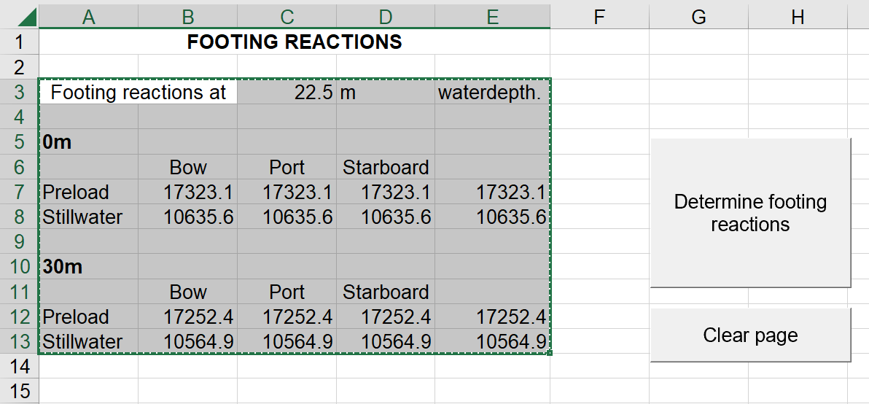
 |  |  |  |  |  |  |  |  | 27.3
 |  |  |  |  |  |  |  |  | 27.4
 |  |  |  |  |  |  |  |  | 27.5
 |  |  |  |  |  |  |  |  | 27.5
 |  |  |  |  |  |  |  |  | 27.5
 |  |  |  |  |  |  |  |  | 27.5
 |  |  |  |  |  |  |  |  | 27.6
 |  |  |  |  |  |  |  |  | 27.6
 |  |  |  |  |  |  |  |  | 27.6
 |  |  |  |  |  |  |  |  | 27.6
 |  |  |  |  |  |  |  |  | 27.7
 |  |  |  |  |  |  |  |  | 27.7
 |  |  |  |  |  |  |  |  | 27.8
 |  |  |  |  |  |  |  |  | 27.8
 |  |  |  |  |  |  |  |  | 27.8
 |  |  |  |  |  |  |  |  | 27.9
 |  |  |  |  |  |  |  |  | 28
 |  |  |  |  |  |  |  |  | 28
 |  |  |  |  |  |  |  |  | 28.1
 |  |  |  |  |  |  |  |  | 28.1
 |  |  |  |  |  |  |  |  | 28.1
 | Please also use the text to column function |  |  |  |  |  |  |  | 28.2
 |  |  |  |  |  |  |  |  | 28.2
 |  |  |  |  |  |  |  |  | 28.3
 |  |  |  |  |  |  |  |  | 28.3
 |  |  |  |  |  |  |  |  | 28.3
 |  |  |  |  |  |  |  |  | 28.4
 |  |  |  |  |  |  |  |  | 28.4
 |  |  |  |  |  |  |  |  | 28.4
 |  |  |  |  |  |  |  |  | 28.5
 |  |  |  |  |  |  |  |  | 28.5
 |  |  |  |  |  |  |  |  | 28.8
 |  |  |  |  |  |  |  |  | 28.8
 |  |  |  |  |  |  |  |  | 28.9
 |  |  |  |  |  |  |  |  | 28.9
 |  |  |  |  |  |  |  |  | 28.9
 |  |  |  |  |  |  |  |  | 29
 |  |  |  |  |  |  |  |  | 29
 |  |  |  |  |  |  |  |  | 29.1
 |  |  |  |  |  |  |  |  | 29.2
 |  |  |  |  |  |  |  |  | 29.2
 |  |  |  |  |  |  |  |  | 29.3
 |  |  |  |  |  |  |  |  | 29.3
 |  |  |  |  |  |  |  |  | 29.4
 |  |  |  |  |  |  |  |  | 29.4
 |  |  |  |  |  |  |  |  | 29.4
 |  |  |  |  |  |  |  |  | 29.4
 |  |  |  |  |  |  |  |  | 29.5
 |  |  |  |  |  |  |  |  | 29.5
 |  |  |  |  |  |  |  |  | 29.5
 |  |  |  |  |  |  |  |  | 29.5
 |  |  |  |  |  |  |  |  | 29.6
 |  |  |  |  |  |  |  |  | 29.9
 |  |  |  |  |  |  |  |  | 29.9
 |  |  |  |  |  |  |  |  | 29.9
 |  |  |  |  |  |  |  |  | 29.9
 |  |  |  |  |  |  |  |  | 30
 |  |  |  |  |  |  |  |  | 30
 |  |  |  |  |  |  |  |  | 30
 |  |  |  |  |  |  |  |  | 30
 |  |  |  |  |  |  |  |  | 30
 |  |  |  |  |  |  |  |  | 30
 |  |  |  |  |  |  |  |  | 30.1
 |  |  |  |  |  |  |  |  | 30.1
 |  |  |  |  |  |  |  |  | 30.1
 |  |  |  |  |  |  |  |  | 30.2
 |  |  |  |  |  |  |  |  | 30.2
 |  |  |  |  |  |  |  |  | 30.3
 |  |  |  |  |  |  |  |  | 30.4
 |  |  |  |  |  |  |  |  | 30.4
 |  |  |  |  |  |  |  |  | 30.5
 |  |  |  |  |  |  |  |  | 30.5
 |  |  |  |  |  |  |  |  | 30.5
 |  |  |  |  |  |  |  |  | 30.5
 |  |  |  |  |  |  |  |  | 30.5
 |  |  |  |  |  |  |  |  | 30.5
 |  |  |  |  |  |  |  |  | 30.6
 |  |  |  |  |  |  |  |  | 30.7
 |  |  |  |  |  |  |  |  | 30.7
 |  |  |  |  |  |  |  |  | 30.8
 |  |  |  |  |  |  |  |  | 30.8
 |  |  |  |  |  |  |  |  | 30.8
 |  |  |  |  |  |  |  |  | 30.9
 |  |  |  |  |  |  |  |  | 30.9
 |  |  |  |  |  |  |  |  | 30.9
 |  |  |  |  |  |  |  |  | 31
 |  |  |  |  |  |  |  |  | 31.1
 |  |  |  |  |  |  |  |  | 31.1
 |  |  |  |  |  |  |  |  | 31.2
 |  |  |  |  |  |  |  |  | 31.2
 |  |  |  |  |  |  |  |  | 31.3
 |  |  |  |  |  |  |  |  | 31.3
 |  |  |  |  |  |  |  |  | 31.3
 |  |  |  |  |  |  |  |  | 31.4
 |  |  |  |  |  |  |  |  | 31.5
 |  |  |  |  |  |  |  |  | 31.8
 |  |  |  |  |  |  |  |  | 31.8
 |  |  |  |  |  |  |  |  | 31.8
 |  |  |  |  |  |  |  |  | 31.9
 |  |  |  |  |  |  |  |  | 32
 |  |  |  |  |  |  |  |  | 32
 |  |  |  |  |  |  |  |  | 32
 |  |  |  |  |  |  |  |  | 32.1
 |  |  |  |  |  |  |  |  | 32.2
 |  |  |  |  |  |  |  |  | 32.2
 |  |  |  |  |  |  |  |  | 32.3
 |  |  |  |  |  |  |  |  | 32.3
 |  |  |  |  |  |  |  |  | 32.3
 |  |  |  |  |  |  |  |  | 32.4
 |  |  |  |  |  |  |  |  | 32.5
 |  |  |  |  |  |  |  |  | 32.5
 |  |  |  |  |  |  |  |  | 32.7
 |  |  |  |  |  |  |  |  | 33.1
 |  |  |  |  |  |  |  |  | 33.1
 |  |  |  |  |  |  |  |  | 33.3
 |  |  |  |  |  |  |  |  | 33.4
 |  |  |  |  |  |  |  |  | 33.6
 |  |  |  |  |  |  |  |  | 33.7
 |  |  |  |  |  |  |  |  | 33.8
 |  |  |  |  |  |  |  |  | 34
 |  |  |  |  |  |  |  |  | 34
 |  |  |  |  |  |  |  |  | 34.3
 |  |  |  |  |  |  |  |  | 34.3
 |  |  |  |  |  |  |  |  | 34.3
 |  |  |  |  |  |  |  |  | 34.5
 |  |  |  |  |  |  |  |  | 34.9
 |  |  |  |  |  |  |  |  | 35
 |  |  |  |  |  |  |  |  | 36
 |  |  |  |  |  |  |  |  | 36
 |  |  |  |  |  |  |  |  | 36.1
 |  |  |  |  |  |  |  |  | 36.4
 |  |  |  |  |  |  |  |  | 36.9
 |  |  |  |  |  |  |  |  | 37.2
 |  |  |  |  |  |  |  |  | 37.2
 |  |  |  |  |  |  |  |  | 37.3
 |  |  |  |  |  |  |  |  | 37.4

